Sheet2
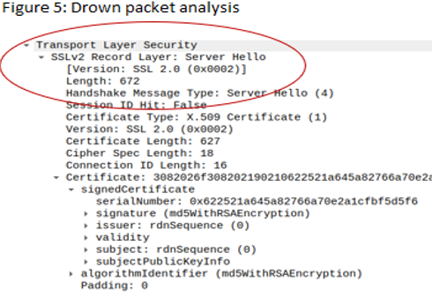
 |  |  |  |  |  | 2075
Row Labels | Count of Country Code
BE | 22
GB | 12 |  |  | table 1 - TLD registration
RU | 1 |  |  | Domain | Count | Percentage
US | 1798 |  |  | .com | 370 | 17.83%
US | 2 |  |  | .gov | 595 | 28.67%
Grand Total | 1835 | 95.37037037 |  | .net | 97 | 4.67%
 |  |  |  | .org | 551 | 26.55%
 |  |  |  | .us | 453 | 21.83%
 |  |  |  | .mil | 1 | 0.05%
 |  |  |  | .info | 2 | 0.10%
 |  |  |  | .me | 3 | 0.14% | code example 4
 |  |  |  | .ms | 1 | 0.05%
 |  |  |  | .cc | 1 | 0.05%
 |  |  |  | .city | 1 | 0.05%

 |  |  | Code Example 1

 |  |  |  |  | 16.722891566

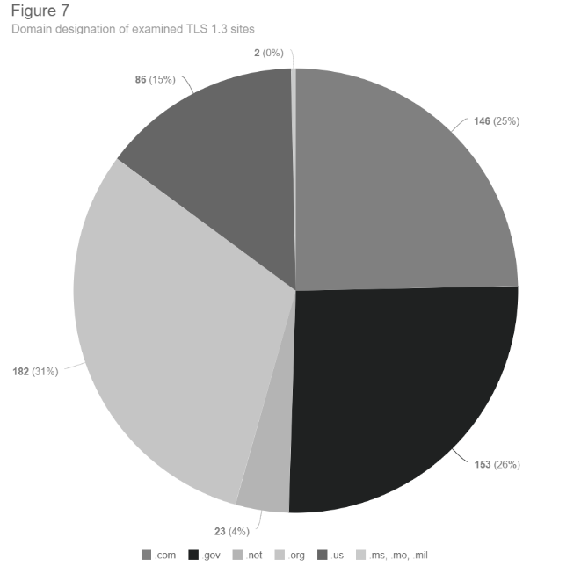
 |  |  | Code Example 2 | table 2 - Certificate Country
 |  |  |  | Certificate Country | Count | Percentage
 |  |  |  | BE | 22 | 1.20%
 |  |  |  | GB | 12 | 0.65%
 |  |  |  | RU | 1 | 0.05%
 |  |  |  | US | 1800 | 98.09%
 |  |  | Code Example 3 | Total | 1835

Sheet4
Row Labels | Count of certficate-signing
not self-signed | 2063
self-signed | 12
 | Total
not self-signed | 2063
self-signed | 12
(blank)
(blank)
Grand Total | 2075

Sheet3
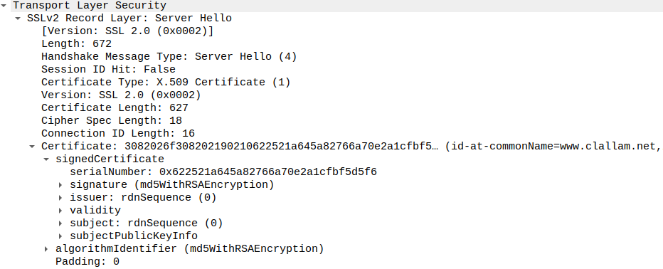
Figure 3: Common Exploits
Website | Heartbleed | SWEET32 | Poodle | Drown | freak
dallam.org | not found | VULNERABLE | VULNERABLE | NOT VULNERABLE | VULNERABLE
clallam.net | not found | VULNERABLE | VULNERABLE | VULNERABLE | VULNERABLE
wataugacounty.org | not found | VULNERABLE | VULNERABLE | NOT VULNERABLE | NOT VULNERABLE
foardcountytexas.us | not found | VULNERABLE | VULNERABLE | VULNERABLE | VULNERABLE
niagaracounty.com | not found | VULNERABLE | VULNERABLE | NOT VULNERABLE | NOT VULNERABLE
co.power.id.us | not found | VULNERABLE | VULNERABLE | NOT VULNERABLE | NOT VULNERABLE
ci.lumberton.nc.us | not found | VULNERABLE | VULNERABLE | NOT VULNERABLE | NOT VULNERABLE
co.wilkin.mn.us | not found | VULNERABLE | VULNERABLE | NOT VULNERABLE | NOT VULNERABLE

Figure 4: Drown Exploit
State | Website | Drown
TX | foardcountytexas.us | Found
WA | clallam.net | Found

Figure 5: Drown packet analysis

